Background
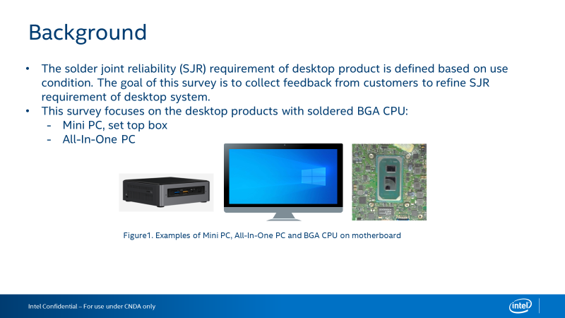

Questionnaire
Intel Confidential - Shared Under NDA

Category | Question | Example Answer | Name of the BGA Product | Name of the BGA Product
Product | What Intel BGA products are used in desktop products? | Eg., i7-10510U | Alder lake CPU
Category | Question | Example Answer | Desktop BGA Product - Mini PC, set top box (Solder BGA, not Socket LGA) | Desktop BGA Product - All - In - One (Solder BGA, not Socket LGA)
 |  |  | Dell Optiplex | 
Board Level Testing - JEDEC Standard Temperature Cycle | Do you perform board level JEDEC standard temperature cycle (TC) testing for solder joint reliability? (if no, skip this section) |  | No_ we follow Dell Spec
 | What loading parameters do you use for your board level TC? |  | Varies by platforms
 | What board thickness do you use for your board level TC? |  | Varies by platforms
 | What temperature range do you use for your board level TC? |  | (-20C) to 80C
 | What cycle length (including dwell time) do you use for your board level TC? |  | 1 hour cycle length, 15 minute dwell
 | Do you use adhesives on the Intel SOC for your board level TC? |  | No
 | How do you monitor your board level TC results? |  | Monitoring resistance reading at daisy chain contact points plus Dye & Pull or Cross Section
 | What is the passing criteria for your board level TC? |  | No resistance spikes >200 Ohm or Dye & Pull Crack Percentage (<80%)
System Level Testing | What are your test conditions for system level reliability testing? |  | S&V
Product Temperature Conditions | What is the expected average package idle temperature of the Intel SOC inside the system? |  | 50C
 | What is the expected full running temperature at TDP power of the Intel SOC inside the system? |  | 80C
 | What is the expected average external temperature of the system? |  | The system will be in an air conditioned room at an average temperature of 24 oC
Power Cycles | How many power cycles a day do you anticipate the product going through? |  | It will cycle from On to Off 4 times a day
 | How many active/standby cycles a day do you anticipate your end product going through? |  | It will cycle from Active to Idle 6 times a day
Board Level Adhesives | Do you have experience using board level adhesives? (if no, skip this section) |  | No
 | If using board level adhesives on the Intel SOC or another BGA, what kind of adhesive application do you use? |  | No
 | How do you decide whether to use board level adhesives? |  | Eg., Only use corner glue if drop test failed.
 | What adhesive brand and model do you use? |  | Eg., Brand ABC, Model XYZ

